Solutions - Var & Skew
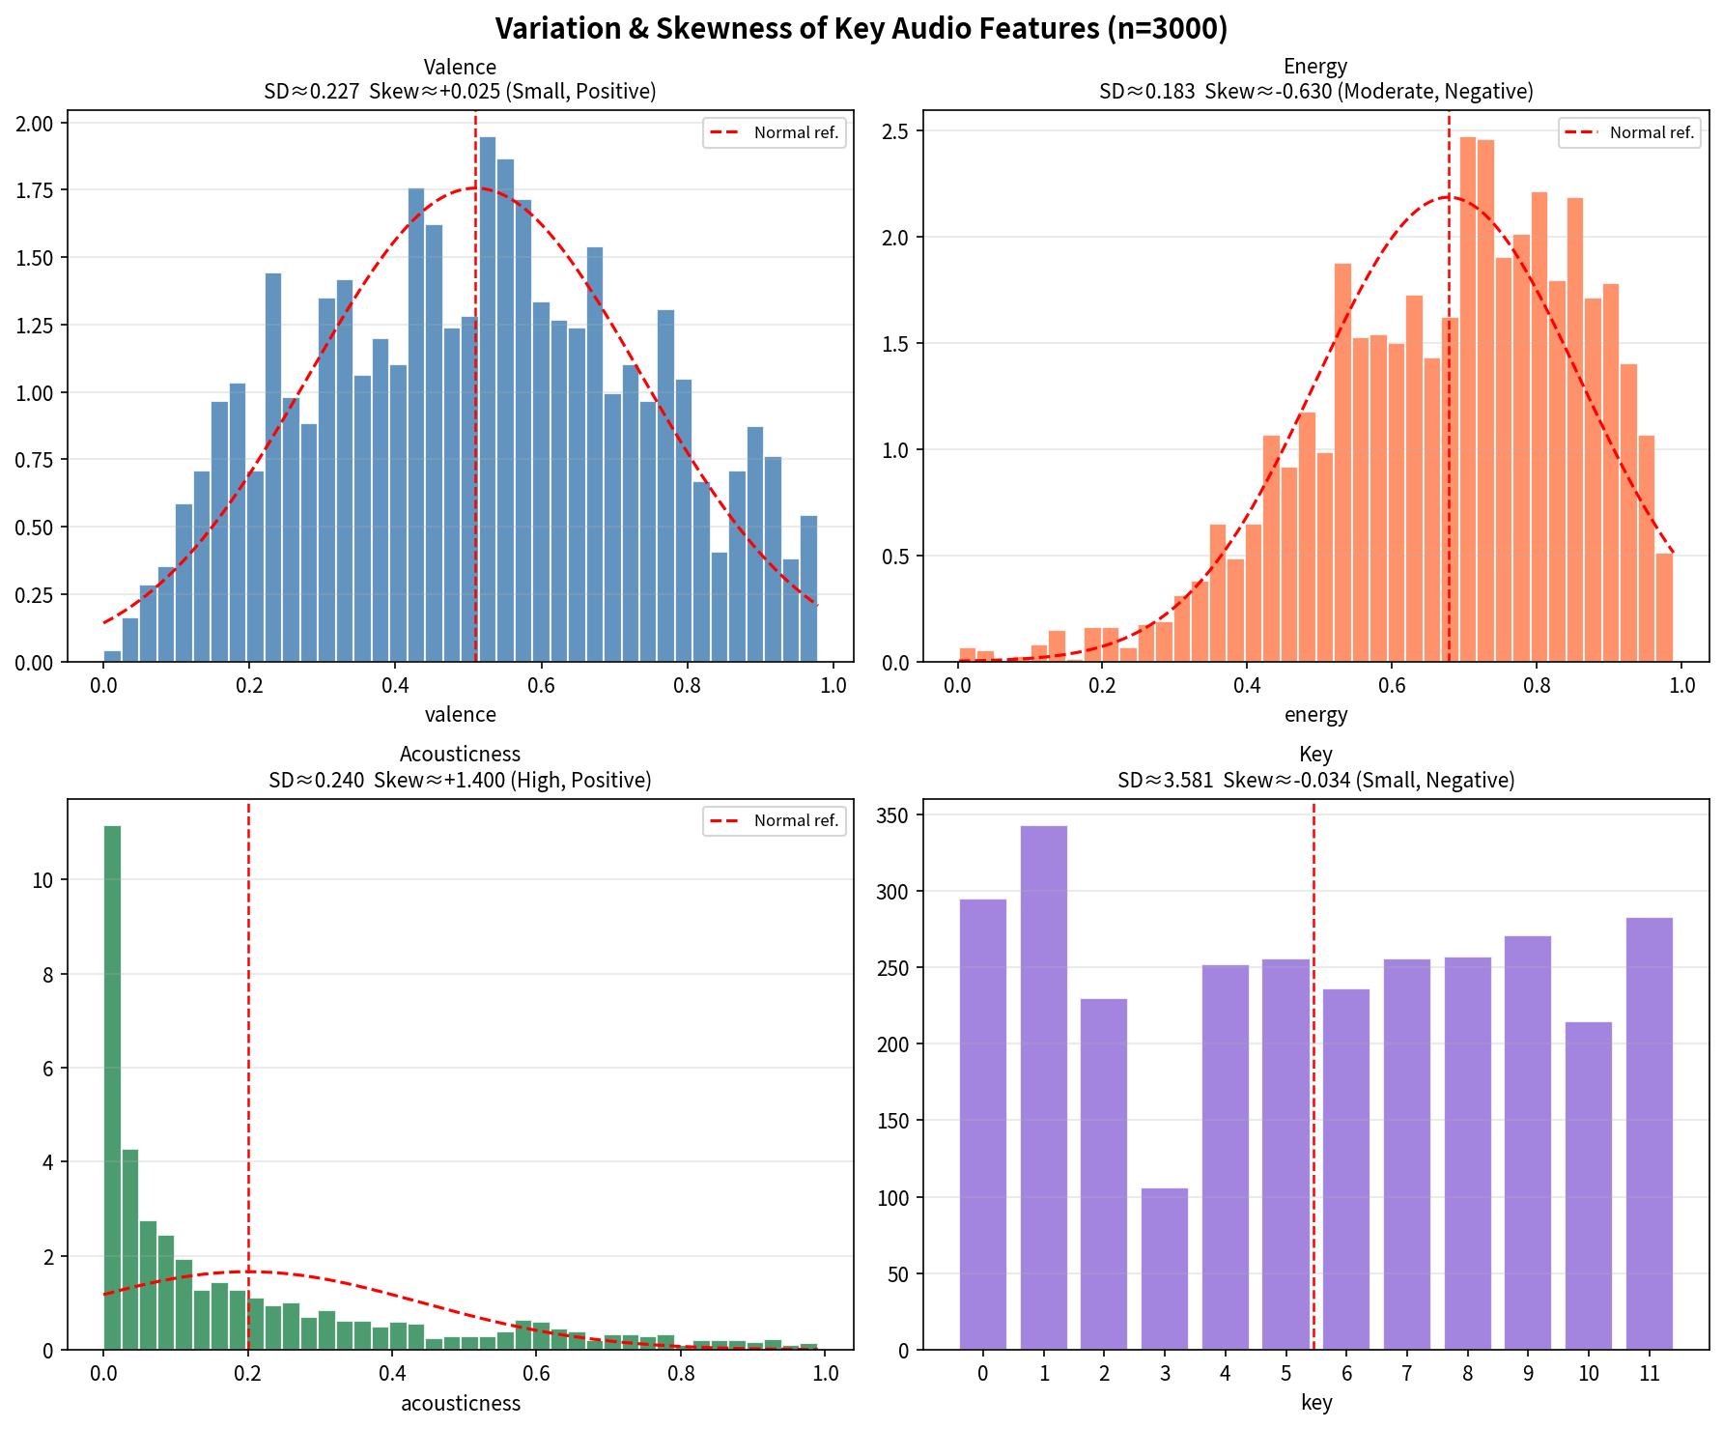
Exercise 1 – Variation and Skewness (SOLUTIONS)

Formulas used (Excel / Google Sheets)
Standard deviation (sample) = STDEV(range) Skewness = SKEW(range)
Interpretation thresholds given in the lab: • |skew| < 0.5 → Small (approximately symmetric) • 0.5 ≤ |skew| ≤ 1 → Moderate • |skew| > 1 → High Direction: Positive = right tail (mean > median); Negative = left tail (mean < median)

Feature | Standard Deviation | Skewness | Size | Direction
valence | 0.22719741278 | 0.025031460969 | Small | Positive
energy | 0.18251753702 | -0.62976457404 | Moderate | Negative
acousticness | 0.23997194474 | 1.4000440247 | High | Positive
key | 3.5806709274 | -0.034346667853 | Small | Negative

Expected calculated values (after formula evaluation)
valence: SD ≈ 0.2272 Skew ≈ +0.0250 → Small, Positive
energy: SD ≈ 0.1825 Skew ≈ –0.6298 → Moderate, Negative
acousticness: SD ≈ 0.2400 Skew ≈ +1.4000 → High, Positive
key: SD ≈ 3.5807 Skew ≈ –0.0343 → Small, Negative

Interpretation note (from official solution)
Valence and key have very small skewness values that are very close to zero. These distributions are nearly symmetric. Energy shows a moderate negative skew (left tail), while acousticness exhibits a high positive skew (long right tail). This matches exactly what the histograms in Part 1 already suggested visually.

